Q5.Sort-ans
 | Sort as per conditions and Copy paste the results, by adding a new sheet in this file. Plus Paste Screenshots of Sort Box.
 | 1. Sort Segment, inside each segment Country should be sorted, with sorted profit for each country Low to high.(Use Custom Sort)

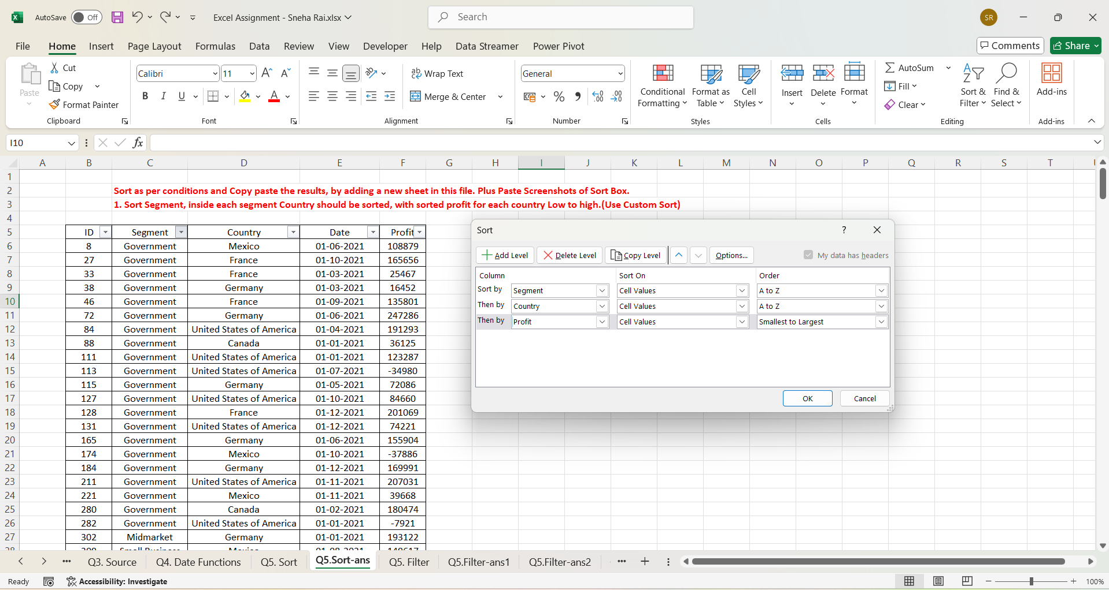
ID | Segment | Country | Date | Profit
3331 | Channel Partners | Canada | 2021-06-01 | -14202
695 | Channel Partners | Canada | 2021-06-01 | 17043
526 | Channel Partners | Canada | 2021-08-01 | 55010
1746 | Channel Partners | Canada | 2021-01-01 | 60394
346 | Channel Partners | Canada | 2021-05-01 | 166490
1727 | Channel Partners | Canada | 2021-04-01 | 196137
405 | Channel Partners | Canada | 2021-12-01 | 219249
3127 | Channel Partners | Canada | 2021-12-01 | 232472
2715 | Channel Partners | France | 2021-11-01 | 39271
329 | Channel Partners | France | 2021-09-01 | 60921
423 | Channel Partners | France | 2021-08-01 | 87532
2577 | Channel Partners | France | 2021-04-01 | 89649
1783 | Channel Partners | France | 2021-12-01 | 112636
3189 | Channel Partners | France | 2021-11-01 | 195638
1053 | Channel Partners | France | 2021-11-01 | 211082
1823 | Channel Partners | France | 2021-05-01 | 223042
2466 | Channel Partners | France | 2021-09-01 | 258051
1121 | Channel Partners | France | 2021-05-01 | 258583
3106 | Channel Partners | Germany | 2021-11-01 | 55433
1989 | Channel Partners | Germany | 2021-04-01 | 61230
2001 | Channel Partners | Germany | 2021-02-01 | 74022
688 | Channel Partners | Germany | 2021-03-01 | 87460
2475 | Channel Partners | Germany | 2021-03-01 | 114470
3307 | Channel Partners | Germany | 2021-06-01 | 223894
1706 | Channel Partners | Germany | 2021-04-01 | 247904
3224 | Channel Partners | Germany | 2021-01-01 | 256329
686 | Channel Partners | Mexico | 2021-10-01 | 18670
3305 | Channel Partners | Mexico | 2021-03-01 | 155535
2716 | Channel Partners | Mexico | 2021-09-01 | 208038
1244 | Channel Partners | Mexico | 2021-07-01 | 219148
1788 | Channel Partners | Mexico | 2021-05-01 | 232025
451 | Channel Partners | Mexico | 2021-09-01 | 242254
1743 | Channel Partners | United States of America | 2021-01-01 | 6345
1782 | Channel Partners | United States of America | 2021-03-01 | 30219
1048 | Channel Partners | United States of America | 2021-01-01 | 41318
3122 | Channel Partners | United States of America | 2021-07-01 | 59920
3379 | Channel Partners | United States of America | 2021-09-01 | 74093
1024 | Channel Partners | United States of America | 2021-08-01 | 124717
568 | Channel Partners | United States of America | 2021-12-01 | 142874
1022 | Channel Partners | United States of America | 2021-07-01 | 152936
2100 | Channel Partners | United States of America | 2021-04-01 | 189847
3265 | Channel Partners | United States of America | 2021-02-01 | 192728
1722 | Channel Partners | United States of America | 2021-04-01 | 201120
3469 | Channel Partners | United States of America | 2021-07-01 | 252080
1809 | Enterprise | Canada | 2021-07-01 | 23560
3423 | Enterprise | Canada | 2021-06-01 | 34080
3145 | Enterprise | Canada | 2021-01-01 | 40778
1045 | Enterprise | Canada | 2021-08-01 | 99343
3108 | Enterprise | Canada | 2021-07-01 | 104422
3295 | Enterprise | Canada | 2021-11-01 | 161110
2670 | Enterprise | France | 2021-12-01 | 12709
1332 | Enterprise | France | 2021-07-01 | 26819
2580 | Enterprise | France | 2021-04-01 | 42319
1377 | Enterprise | France | 2021-05-01 | 57755
2439 | Enterprise | France | 2021-12-01 | 71529
1210 | Enterprise | France | 2021-08-01 | 109849
2044 | Enterprise | France | 2021-05-01 | 164464
342 | Enterprise | France | 2021-01-01 | 180969
2744 | Enterprise | France | 2021-12-01 | 210352
2739 | Enterprise | France | 2021-10-01 | 236531
3498 | Enterprise | Germany | 2021-08-01 | 7269
1398 | Enterprise | Germany | 2021-08-01 | 19002
2423 | Enterprise | Germany | 2021-08-01 | 23010
1329 | Enterprise | Germany | 2021-07-01 | 36547
2009 | Enterprise | Germany | 2021-05-01 | 124153
1107 | Enterprise | Germany | 2021-03-01 | 126174
1353 | Enterprise | Germany | 2021-09-01 | 220591
2621 | Enterprise | Mexico | 2021-05-01 | 1696
1307 | Enterprise | Mexico | 2021-02-01 | 13845
2654 | Enterprise | Mexico | 2021-02-01 | 27849
3399 | Enterprise | Mexico | 2021-08-01 | 75634
636 | Enterprise | Mexico | 2021-08-01 | 86220
1256 | Enterprise | Mexico | 2021-06-01 | 91931
2455 | Enterprise | Mexico | 2021-02-01 | 157993
659 | Enterprise | Mexico | 2021-04-01 | 173199
3138 | Enterprise | United States of America | 2021-11-01 | 28110
3443 | Enterprise | United States of America | 2021-03-01 | 75969
1037 | Enterprise | United States of America | 2021-12-01 | 198140
952 | Government | Canada | 2021-07-01 | 7819
949 | Government | Canada | 2021-12-01 | 8406
2352 | Government | Canada | 2021-06-01 | 17150
1505 | Government | Canada | 2021-10-01 | 24838
950 | Government | Canada | 2021-06-01 | 27137
825 | Government | Canada | 2021-06-01 | 32352
88 | Government | Canada | 2021-01-01 | 36125
3050 | Government | Canada | 2021-03-01 | 51626
3080 | Government | Canada | 2021-09-01 | 55991
819 | Government | Canada | 2021-05-01 | 59423
2839 | Government | Canada | 2021-11-01 | 63494
1653 | Government | Canada | 2021-07-01 | 64755
739 | Government | Canada | 2021-11-01 | 86186
1525 | Government | Canada | 2021-02-01 | 105602
805 | Government | Canada | 2021-02-01 | 134977
1415 | Government | Canada | 2021-12-01 | 135311
1675 | Government | Canada | 2021-04-01 | 137705
1488 | Government | Canada | 2021-02-01 | 155266
2925 | Government | Canada | 2021-07-01 | 159745
1624 | Government | Canada | 2021-05-01 | 166824
280 | Government | Canada | 2021-02-01 | 180474
3027 | Government | Canada | 2021-06-01 | 213069
1615 | Government | Canada | 2021-08-01 | 217962
870 | Government | Canada | 2021-11-01 | 222162
2136 | Government | Canada | 2021-05-01 | 240648
2916 | Government | Canada | 2021-04-01 | 244904
864 | Government | France | 2021-06-01 | 7110
3036 | Government | France | 2021-06-01 | 7190
2972 | Government | France | 2021-08-01 | 7382
1446 | Government | France | 2021-12-01 | 9682
2897 | Government | France | 2021-08-01 | 23250
33 | Government | France | 2021-03-01 | 25467
3094 | Government | France | 2021-01-01 | 28289
1636 | Government | France | 2021-04-01 | 35096
1572 | Government | France | 2021-07-01 | 44394
706 | Government | France | 2021-01-01 | 48442
2214 | Government | France | 2021-02-01 | 86142
2896 | Government | France | 2021-07-01 | 89802
803 | Government | France | 2021-07-01 | 96209
1429 | Government | France | 2021-06-01 | 115261
3085 | Government | France | 2021-02-01 | 134107
46 | Government | France | 2021-09-01 | 135801
796 | Government | France | 2021-06-01 | 137843
1537 | Government | France | 2021-01-01 | 142596
733 | Government | France | 2021-11-01 | 146394
2811 | Government | France | 2021-01-01 | 151301
27 | Government | France | 2021-10-01 | 165656
1540 | Government | France | 2021-06-01 | 165992
1686 | Government | France | 2021-07-01 | 173616
128 | Government | France | 2021-12-01 | 201069
2207 | Government | France | 2021-02-01 | 210276
979 | Government | France | 2021-06-01 | 234786
2259 | Government | Germany | 2021-12-01 | -21877
926 | Government | Germany | 2021-06-01 | 6105
1667 | Government | Germany | 2021-05-01 | 8950
38 | Government | Germany | 2021-03-01 | 16452
1489 | Government | Germany | 2021-05-01 | 24879
1583 | Government | Germany | 2021-02-01 | 56810
115 | Government | Germany | 2021-05-01 | 72086
2816 | Government | Germany | 2021-11-01 | 74813
1471 | Government | Germany | 2021-12-01 | 81048
2245 | Government | Germany | 2021-07-01 | 86843
2301 | Government | Germany | 2021-01-01 | 95623
3088 | Government | Germany | 2021-10-01 | 104379
1691 | Government | Germany | 2021-12-01 | 151084
165 | Government | Germany | 2021-06-01 | 155904
738 | Government | Germany | 2021-12-01 | 158679
2821 | Government | Germany | 2021-01-01 | 161532
1688 | Government | Germany | 2021-02-01 | 168122
184 | Government | Germany | 2021-12-01 | 169991
3051 | Government | Germany | 2021-09-01 | 200584
1668 | Government | Germany | 2021-01-01 | 210209
72 | Government | Germany | 2021-06-01 | 247286
174 | Government | Mexico | 2021-10-01 | -37886
874 | Government | Mexico | 2021-10-01 | 5652
2847 | Government | Mexico | 2021-11-01 | 8463
2852 | Government | Mexico | 2021-12-01 | 9630
842 | Government | Mexico | 2021-08-01 | 19225
1567 | Government | Mexico | 2021-02-01 | 22003
3093 | Government | Mexico | 2021-10-01 | 22810
930 | Government | Mexico | 2021-03-01 | 34334
221 | Government | Mexico | 2021-11-01 | 39668
3099 | Government | Mexico | 2021-06-01 | 65162
2176 | Government | Mexico | 2021-04-01 | 73163
977 | Government | Mexico | 2021-05-01 | 82968
1553 | Government | Mexico | 2021-10-01 | 86460
8 | Government | Mexico | 2021-06-01 | 108879
780 | Government | Mexico | 2021-08-01 | 131983
2369 | Government | Mexico | 2021-07-01 | 138473
858 | Government | Mexico | 2021-03-01 | 150851
1590 | Government | Mexico | 2021-10-01 | 169915
777 | Government | Mexico | 2021-06-01 | 190517
1674 | Government | Mexico | 2021-08-01 | 191733
2958 | Government | Mexico | 2021-02-01 | 194150
2239 | Government | Mexico | 2021-04-01 | 203878
1413 | Government | Mexico | 2021-09-01 | 209590
1574 | Government | Mexico | 2021-09-01 | 217075
1434 | Government | Mexico | 2021-04-01 | 220171
893 | Government | Mexico | 2021-02-01 | 230726
3059 | Government | Mexico | 2021-07-01 | 235104
867 | Government | Mexico | 2021-06-01 | 259896
113 | Government | United States of America | 2021-07-01 | -34980
762 | Government | United States of America | 2021-06-01 | -15140
282 | Government | United States of America | 2021-01-01 | -7921
748 | Government | United States of America | 2021-07-01 | 5850
2933 | Government | United States of America | 2021-01-01 | 6256
2390 | Government | United States of America | 2021-08-01 | 10877
2187 | Government | United States of America | 2021-09-01 | 13179
2913 | Government | United States of America | 2021-01-01 | 25860
3013 | Government | United States of America | 2021-05-01 | 26172
1531 | Government | United States of America | 2021-09-01 | 27327
2910 | Government | United States of America | 2021-07-01 | 52513
2184 | Government | United States of America | 2021-08-01 | 67090
131 | Government | United States of America | 2021-12-01 | 74221
2376 | Government | United States of America | 2021-04-01 | 81846
127 | Government | United States of America | 2021-10-01 | 84660
2333 | Government | United States of America | 2021-07-01 | 103592
111 | Government | United States of America | 2021-01-01 | 123287
1547 | Government | United States of America | 2021-12-01 | 129328
2862 | Government | United States of America | 2021-10-01 | 139432
894 | Government | United States of America | 2021-10-01 | 154630
2899 | Government | United States of America | 2021-11-01 | 156072
911 | Government | United States of America | 2021-06-01 | 161165
891 | Government | United States of America | 2021-02-01 | 173392
728 | Government | United States of America | 2021-04-01 | 175220
84 | Government | United States of America | 2021-04-01 | 191293
963 | Government | United States of America | 2021-09-01 | 193691
211 | Government | United States of America | 2021-11-01 | 207031
1526 | Government | United States of America | 2021-04-01 | 214102
3018 | Government | United States of America | 2021-11-01 | 223295
973 | Government | United States of America | 2021-07-01 | 229218
1683 | Government | United States of America | 2021-09-01 | 242971
2318 | Government | United States of America | 2021-12-01 | 244284
983 | Government | United States of America | 2021-10-01 | 249705
2881 | Government | United States of America | 2021-09-01 | 261354
2478 | Midmarket | Canada | 2021-02-01 | 8721
403 | Midmarket | Canada | 2021-07-01 | 12909
1903 | Midmarket | Canada | 2021-12-01 | 22305
413 | Midmarket | Canada | 2021-07-01 | 36046
3394 | Midmarket | Canada | 2021-11-01 | 40179
594 | Midmarket | Canada | 2021-12-01 | 47888
2655 | Midmarket | Canada | 2021-04-01 | 173334
1253 | Midmarket | Canada | 2021-02-01 | 187979
2033 | Midmarket | Canada | 2021-10-01 | 225220
1396 | Midmarket | Canada | 2021-08-01 | 229197
2642 | Midmarket | Canada | 2021-02-01 | 252387
1975 | Midmarket | France | 2021-04-01 | 259
3294 | Midmarket | France | 2021-02-01 | 11682
1019 | Midmarket | France | 2021-11-01 | 25301
3454 | Midmarket | France | 2021-04-01 | 51383
482 | Midmarket | France | 2021-07-01 | 57399
3442 | Midmarket | France | 2021-10-01 | 86076
1719 | Midmarket | France | 2021-06-01 | 95791
3119 | Midmarket | France | 2021-12-01 | 100956
2754 | Midmarket | France | 2021-03-01 | 117440
2742 | Midmarket | France | 2021-10-01 | 128249
1342 | Midmarket | France | 2021-06-01 | 139728
1200 | Midmarket | France | 2021-09-01 | 147727
2539 | Midmarket | France | 2021-06-01 | 159478
3471 | Midmarket | France | 2021-07-01 | 176652
1227 | Midmarket | France | 2021-10-01 | 231047
1839 | Midmarket | France | 2021-06-01 | 254580
2474 | Midmarket | Germany | 2021-01-01 | 6460
3250 | Midmarket | Germany | 2021-11-01 | 20238
1004 | Midmarket | Germany | 2021-08-01 | 22746
2000 | Midmarket | Germany | 2021-03-01 | 29435
2511 | Midmarket | Germany | 2021-05-01 | 53266
2749 | Midmarket | Germany | 2021-03-01 | 133951
3120 | Midmarket | Germany | 2021-04-01 | 135272
2099 | Midmarket | Germany | 2021-04-01 | 145328
1324 | Midmarket | Germany | 2021-11-01 | 188860
302 | Midmarket | Germany | 2021-01-01 | 193122
1774 | Midmarket | Germany | 2021-01-01 | 208053
1912 | Midmarket | Mexico | 2021-02-01 | 5187
2735 | Midmarket | Mexico | 2021-07-01 | 12894
2561 | Midmarket | Mexico | 2021-02-01 | 15238
3312 | Midmarket | Mexico | 2021-04-01 | 22839
1191 | Midmarket | Mexico | 2021-02-01 | 33850
2619 | Midmarket | Mexico | 2021-08-01 | 78549
1084 | Midmarket | Mexico | 2021-12-01 | 130275
2407 | Midmarket | Mexico | 2021-08-01 | 155980
3103 | Midmarket | Mexico | 2021-03-01 | 201340
1269 | Midmarket | Mexico | 2021-09-01 | 213879
1776 | Midmarket | Mexico | 2021-04-01 | 216555
3450 | Midmarket | United States of America | 2021-07-01 | -39689
1296 | Midmarket | United States of America | 2021-01-01 | 1661
2486 | Midmarket | United States of America | 2021-12-01 | 54633
1011 | Midmarket | United States of America | 2021-08-01 | 85536
325 | Midmarket | United States of America | 2021-10-01 | 93656
3333 | Midmarket | United States of America | 2021-09-01 | 98246
3125 | Midmarket | United States of America | 2021-10-01 | 163127
1355 | Midmarket | United States of America | 2021-06-01 | 216695
3412 | Small Business | Canada | 2021-02-01 | -11610
1115 | Small Business | Canada | 2021-03-01 | 48808
1964 | Small Business | Canada | 2021-01-01 | 100486
3361 | Small Business | Canada | 2021-05-01 | 111998
3173 | Small Business | Canada | 2021-08-01 | 216458
2778 | Small Business | Canada | 2021-09-01 | 256402
2601 | Small Business | France | 2021-05-01 | 1519
1112 | Small Business | France | 2021-10-01 | 13328
1833 | Small Business | France | 2021-04-01 | 73394
441 | Small Business | France | 2021-12-01 | 82089
1829 | Small Business | France | 2021-07-01 | 185869
2480 | Small Business | Germany | 2021-12-01 | 1365
2705 | Small Business | Germany | 2021-03-01 | 6845
681 | Small Business | Germany | 2021-08-01 | 17711
3179 | Small Business | Germany | 2021-03-01 | 39973
1381 | Small Business | Germany | 2021-08-01 | 102572
2458 | Small Business | Germany | 2021-07-01 | 121986
1079 | Small Business | Germany | 2021-03-01 | 132363
2479 | Small Business | Germany | 2021-09-01 | 160752
1285 | Small Business | Mexico | 2021-02-01 | 7298
3249 | Small Business | Mexico | 2021-06-01 | 11238
640 | Small Business | Mexico | 2021-04-01 | 27542
1709 | Small Business | Mexico | 2021-02-01 | 33876
2441 | Small Business | Mexico | 2021-10-01 | 39494
2549 | Small Business | Mexico | 2021-06-01 | 96983
2495 | Small Business | Mexico | 2021-06-01 | 130437
309 | Small Business | Mexico | 2021-08-01 | 149617
591 | Small Business | Mexico | 2021-12-01 | 166353
3159 | Small Business | Mexico | 2021-01-01 | 219774
3252 | Small Business | Mexico | 2021-07-01 | 226327
3440 | Small Business | Mexico | 2021-05-01 | 239368
492 | Small Business | Mexico | 2021-01-01 | 244677
1070 | Small Business | United States of America | 2021-01-01 | 8675
3287 | Small Business | United States of America | 2021-09-01 | 12156
1331 | Small Business | United States of America | 2021-12-01 | 60882
2537 | Small Business | United States of America | 2021-08-01 | 110965
3479 | Small Business | United States of America | 2021-05-01 | 125616
1260 | Small Business | United States of America | 2021-12-01 | 152076
1091 | Small Business | United States of America | 2021-10-01 | 174302
1848 | Small Business | United States of America | 2021-10-01 | 175018
2657 | Small Business | United States of America | 2021-04-01 | 221658
3268 | Small Business | United States of America | 2021-10-01 | 245470
1868 | Small Business | United States of America | 2021-01-01 | 248756

Q5.Filter-ans1
Sort as per conditions and Copy paste the results, by adding a new sheet in this file. Plus Paste Screenshots of Text and Date filters (wherever necessary)
1. Filter all the Country name starts with letter "F"
2. Filter the data in Quarter 3

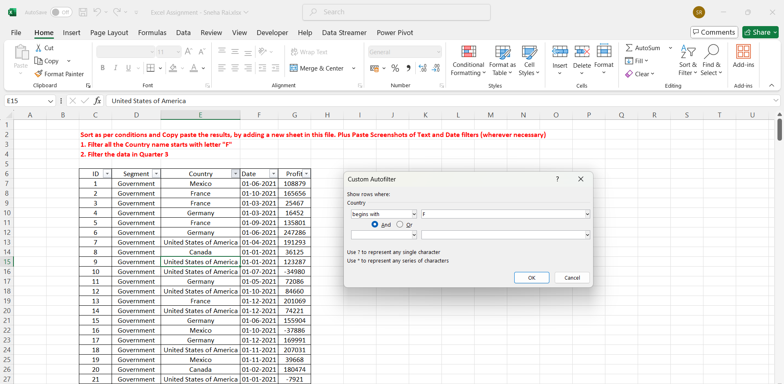
ID | Segment | Country | Date | Profit
2 | Government | France | 2021-10-01 | 165656
3 | Government | France | 2021-03-01 | 25467
5 | Government | France | 2021-09-01 | 135801
13 | Government | France | 2021-12-01 | 201069
25 | Channel Partners | France | 2021-09-01 | 60921
26 | Enterprise | France | 2021-01-01 | 180969
31 | Channel Partners | France | 2021-08-01 | 87532
32 | Small Business | France | 2021-12-01 | 82089
34 | Midmarket | France | 2021-07-01 | 57399
47 | Government | France | 2021-01-01 | 48442
49 | Government | France | 2021-11-01 | 146394
56 | Government | France | 2021-06-01 | 137843
57 | Government | France | 2021-07-01 | 96209
63 | Government | France | 2021-06-01 | 7110
79 | Government | France | 2021-06-01 | 234786
83 | Midmarket | France | 2021-11-01 | 25301
89 | Channel Partners | France | 2021-11-01 | 211082
95 | Small Business | France | 2021-10-01 | 13328
97 | Channel Partners | France | 2021-05-01 | 258583
99 | Midmarket | France | 2021-09-01 | 147727
100 | Enterprise | France | 2021-08-01 | 109849
101 | Midmarket | France | 2021-10-01 | 231047
113 | Enterprise | France | 2021-07-01 | 26819
114 | Midmarket | France | 2021-06-01 | 139728
117 | Enterprise | France | 2021-05-01 | 57755
123 | Government | France | 2021-06-01 | 115261
125 | Government | France | 2021-12-01 | 9682
133 | Government | France | 2021-01-01 | 142596
134 | Government | France | 2021-06-01 | 165992
138 | Government | France | 2021-07-01 | 44394
144 | Government | France | 2021-04-01 | 35096
151 | Government | France | 2021-07-01 | 173616
156 | Midmarket | France | 2021-06-01 | 95791
164 | Channel Partners | France | 2021-12-01 | 112636
167 | Channel Partners | France | 2021-05-01 | 223042
168 | Small Business | France | 2021-07-01 | 185869
169 | Small Business | France | 2021-04-01 | 73394
170 | Midmarket | France | 2021-06-01 | 254580
176 | Midmarket | France | 2021-04-01 | 259
182 | Enterprise | France | 2021-05-01 | 164464
189 | Government | France | 2021-02-01 | 210276
190 | Government | France | 2021-02-01 | 86142
203 | Enterprise | France | 2021-12-01 | 71529
207 | Channel Partners | France | 2021-09-01 | 258051
217 | Midmarket | France | 2021-06-01 | 159478
220 | Channel Partners | France | 2021-04-01 | 89649
221 | Enterprise | France | 2021-04-01 | 42319
222 | Small Business | France | 2021-05-01 | 1519
229 | Enterprise | France | 2021-12-01 | 12709
231 | Channel Partners | France | 2021-11-01 | 39271
234 | Enterprise | France | 2021-10-01 | 236531
235 | Midmarket | France | 2021-10-01 | 128249
236 | Enterprise | France | 2021-12-01 | 210352
238 | Midmarket | France | 2021-03-01 | 117440
240 | Government | France | 2021-01-01 | 151301
248 | Government | France | 2021-07-01 | 89802
249 | Government | France | 2021-08-01 | 23250
257 | Government | France | 2021-08-01 | 7382
261 | Government | France | 2021-06-01 | 7190
266 | Government | France | 2021-02-01 | 134107
269 | Government | France | 2021-01-01 | 28289
274 | Midmarket | France | 2021-12-01 | 100956
284 | Channel Partners | France | 2021-11-01 | 195638
292 | Midmarket | France | 2021-02-01 | 11682
306 | Midmarket | France | 2021-10-01 | 86076
309 | Midmarket | France | 2021-04-01 | 51383
311 | Midmarket | France | 2021-07-01 | 176652

Q5.Filter-ans2
Sort as per conditions and Copy paste the results, by adding a new sheet in this file. Plus Paste Screenshots of Text and Date filters (wherever necessary)
1. Filter all the Country name starts with letter "F"
2. Filter the data in Quarter 3
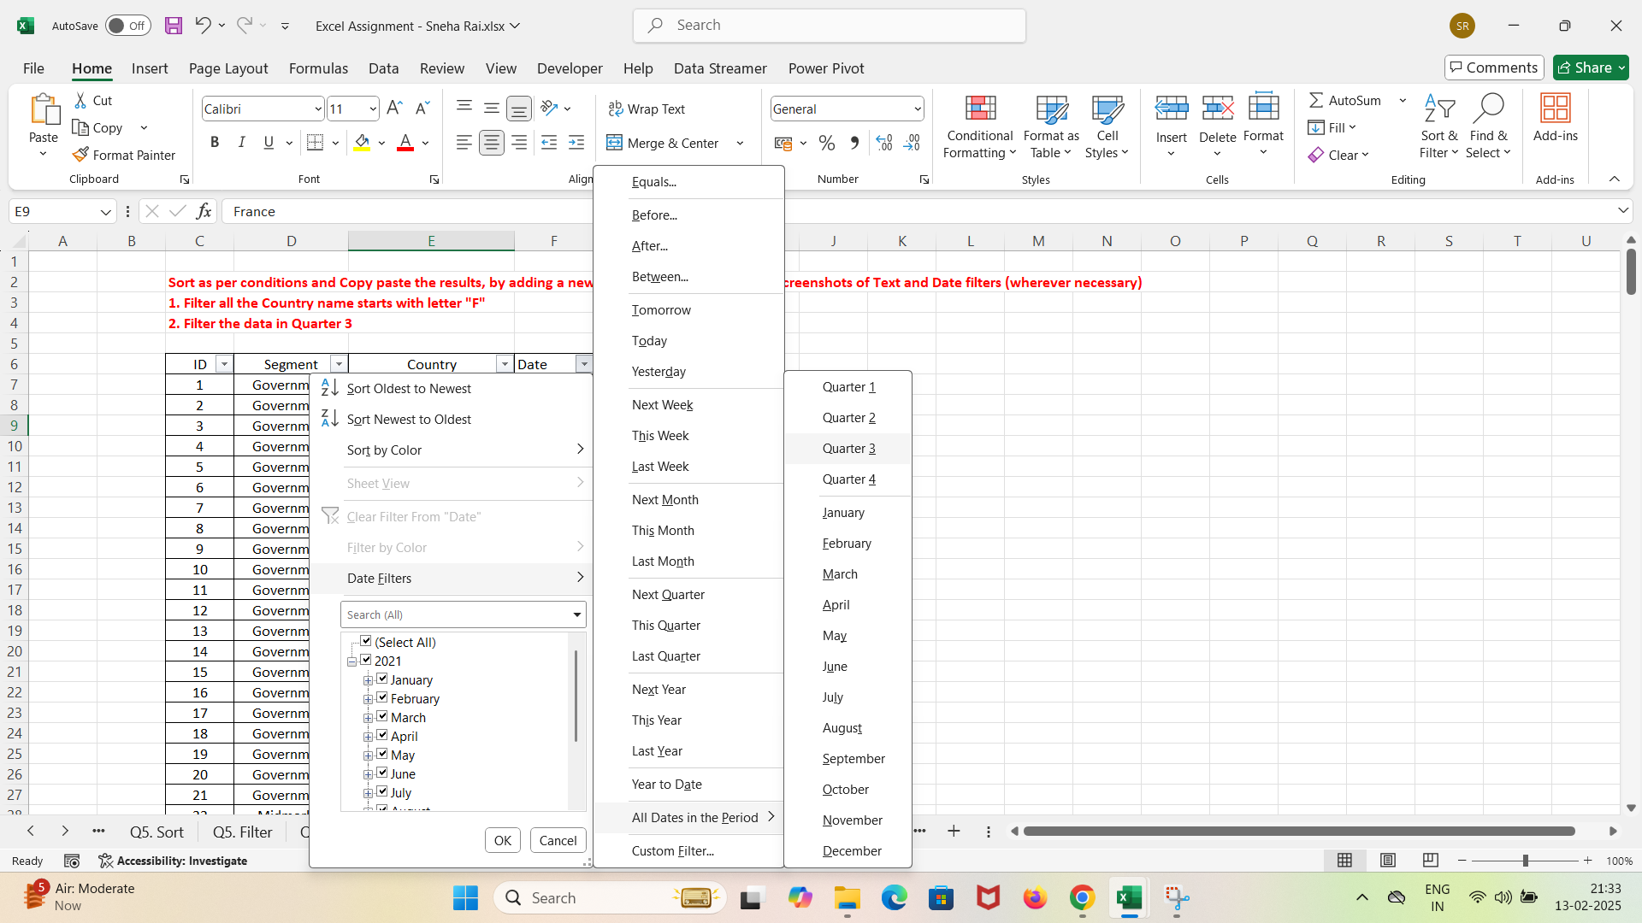
ID | Segment | Country | Date | Profit
5 | Government | France | 2021-09-01 | 135801
10 | Government | United States of America | 2021-07-01 | -34980
23 | Small Business | Mexico | 2021-08-01 | 149617
25 | Channel Partners | France | 2021-09-01 | 60921
28 | Midmarket | Canada | 2021-07-01 | 12909
30 | Midmarket | Canada | 2021-07-01 | 36046
31 | Channel Partners | France | 2021-08-01 | 87532
33 | Channel Partners | Mexico | 2021-09-01 | 242254
34 | Midmarket | France | 2021-07-01 | 57399
36 | Channel Partners | Canada | 2021-08-01 | 55010
40 | Enterprise | Mexico | 2021-08-01 | 86220
43 | Small Business | Germany | 2021-08-01 | 17711
52 | Government | United States of America | 2021-07-01 | 5850
55 | Government | Mexico | 2021-08-01 | 131983
57 | Government | France | 2021-07-01 | 96209
61 | Government | Mexico | 2021-08-01 | 19225
75 | Government | Canada | 2021-07-01 | 7819
76 | Government | United States of America | 2021-09-01 | 193691
77 | Government | United States of America | 2021-07-01 | 229218
81 | Midmarket | Germany | 2021-08-01 | 22746
82 | Midmarket | United States of America | 2021-08-01 | 85536
84 | Channel Partners | United States of America | 2021-07-01 | 152936
85 | Channel Partners | United States of America | 2021-08-01 | 124717
87 | Enterprise | Canada | 2021-08-01 | 99343
99 | Midmarket | France | 2021-09-01 | 147727
100 | Enterprise | France | 2021-08-01 | 109849
102 | Channel Partners | Mexico | 2021-07-01 | 219148
106 | Midmarket | Mexico | 2021-09-01 | 213879
111 | Enterprise | Germany | 2021-07-01 | 36547
113 | Enterprise | France | 2021-07-01 | 26819
115 | Enterprise | Germany | 2021-09-01 | 220591
118 | Small Business | Germany | 2021-08-01 | 102572
119 | Midmarket | Canada | 2021-08-01 | 229197
120 | Enterprise | Germany | 2021-08-01 | 19002
121 | Government | Mexico | 2021-09-01 | 209590
132 | Government | United States of America | 2021-09-01 | 27327
138 | Government | France | 2021-07-01 | 44394
139 | Government | Mexico | 2021-09-01 | 217075
142 | Government | Canada | 2021-08-01 | 217962
145 | Government | Canada | 2021-07-01 | 64755
148 | Government | Mexico | 2021-08-01 | 191733
150 | Government | United States of America | 2021-09-01 | 242971
151 | Government | France | 2021-07-01 | 173616
166 | Enterprise | Canada | 2021-07-01 | 23560
168 | Small Business | France | 2021-07-01 | 185869
187 | Government | United States of America | 2021-08-01 | 67090
188 | Government | United States of America | 2021-09-01 | 13179
192 | Government | Germany | 2021-07-01 | 86843
196 | Government | United States of America | 2021-07-01 | 103592
198 | Government | Mexico | 2021-07-01 | 138473
200 | Government | United States of America | 2021-08-01 | 10877
201 | Midmarket | Mexico | 2021-08-01 | 155980
202 | Enterprise | Germany | 2021-08-01 | 23010
206 | Small Business | Germany | 2021-07-01 | 121986
207 | Channel Partners | France | 2021-09-01 | 258051
211 | Small Business | Germany | 2021-09-01 | 160752
216 | Small Business | United States of America | 2021-08-01 | 110965
223 | Midmarket | Mexico | 2021-08-01 | 78549
232 | Channel Partners | Mexico | 2021-09-01 | 208038
233 | Midmarket | Mexico | 2021-07-01 | 12894
239 | Small Business | Canada | 2021-09-01 | 256402
247 | Government | United States of America | 2021-09-01 | 261354
248 | Government | France | 2021-07-01 | 89802
249 | Government | France | 2021-08-01 | 23250
251 | Government | United States of America | 2021-07-01 | 52513
254 | Government | Canada | 2021-07-01 | 159745
257 | Government | France | 2021-08-01 | 7382
263 | Government | Germany | 2021-09-01 | 200584
264 | Government | Mexico | 2021-07-01 | 235104
265 | Government | Canada | 2021-09-01 | 55991
273 | Enterprise | Canada | 2021-07-01 | 104422
276 | Channel Partners | United States of America | 2021-07-01 | 59920
282 | Small Business | Canada | 2021-08-01 | 216458
288 | Small Business | Mexico | 2021-07-01 | 226327
291 | Small Business | United States of America | 2021-09-01 | 12156
298 | Midmarket | United States of America | 2021-09-01 | 98246
300 | Channel Partners | United States of America | 2021-09-01 | 74093
302 | Enterprise | Mexico | 2021-08-01 | 75634
308 | Midmarket | United States of America | 2021-07-01 | -39689
310 | Channel Partners | United States of America | 2021-07-01 | 252080
311 | Midmarket | France | 2021-07-01 | 176652
313 | Enterprise | Germany | 2021-08-01 | 7269

Q6. Charts1
Create Line Chart with Proper formatting
Should be formatted as shown in picture

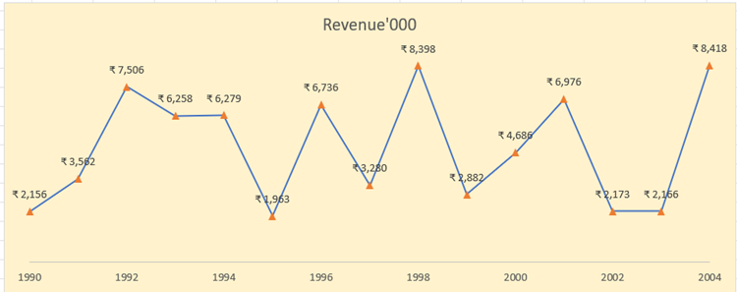
Revenue'000
Date | Revenue'000
1990 | ₹ 2,156
1991 | ₹ 3,562
1992 | ₹ 7,506
1993 | ₹ 6,258
1994 | ₹ 6,279
1995 | ₹ 1,963
1996 | ₹ 6,736
1997 | ₹ 3,280
1998 | ₹ 8,398
1999 | ₹ 2,882
2000 | ₹ 4,686
2001 | ₹ 6,976
2002 | ₹ 2,173
2003 | ₹ 2,166
2004 | ₹ 8,418

Q6. Charts2
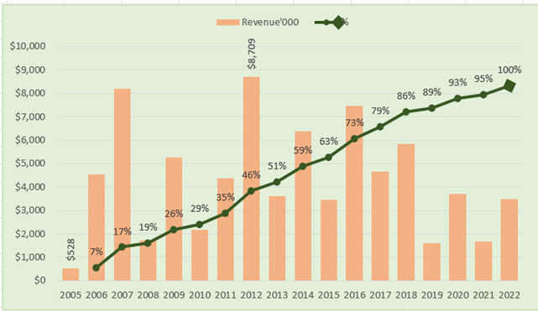
Create Combo Chart with Proper formatting
Should be formatted as shown in picture

Date | Revenue'000 | Running Total | %
2005 | $528
2006 | $4,550 | 5,078.00 | 7%
2007 | $8,189 | 13,267.00 | 17%
 | Revenue'000 | %
2005 | $528
2006 | $4,550 | 7%
2007 | $8,189 | 17%
2008 | $1,730 | 19%
2009 | $5,262 | 26%
2010 | $2,172 | 29%
2011 | $4,384 | 35%
2012 | $8,709 | 46%
2013 | $3,618 | 51%
2014 | $6,372 | 59%
2015 | $3,456 | 63%
2016 | $7,478 | 73%
2017 | $4,649 | 79%
2018 | $5,831 | 86%
2019 | $1,599 | 89%
2020 | $3,695 | 93%
2021 | $1,678 | 95%
2022 | $3,490 | 100%
2008 | $1,730 | 14,997.00 | 19%
2009 | $5,262 | 20,259.00 | 26%
2010 | $2,172 | 22,431.00 | 29%
2011 | $4,384 | 26,815.00 | 35%
2012 | $8,709 | 35,524.00 | 46%
2013 | $3,618 | 39,142.00 | 51%
2014 | $6,372 | 45,514.00 | 59%
2015 | $3,456 | 48,970.00 | 63%
2016 | $7,478 | 56,448.00 | 73%
2017 | $4,649 | 61,097.00 | 79%
2018 | $5,831 | 66,928.00 | 86%
2019 | $1,599 | 68,527.00 | 89%
2020 | $3,695 | 72,222.00 | 93%
2021 | $1,678 | 73,900.00 | 95%
2022 | $3,490 | 77,390.00 | 100%

Total | $77,390

Q7. Dashboard(Power Query,Power
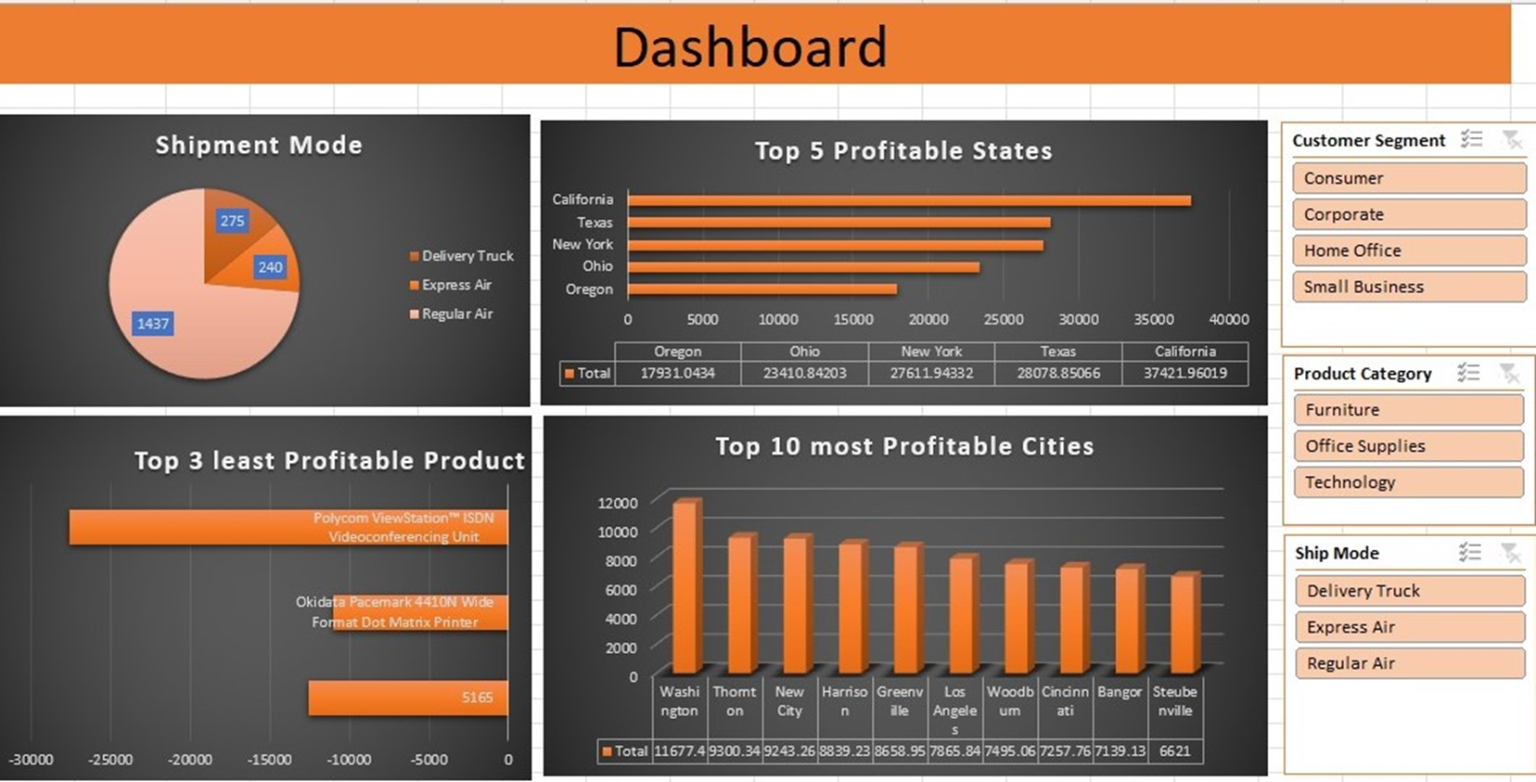
 | Import file ' Sales Data set ' with use of Power Query.
 | Assignment 5 Dataset' contains 3 sheets, use Power Pivot to establish relationship, Query to Clean and upload the data into Data Model.
 | Create different Reports, Use maximum features offered in power pivot. Use conditional formatting and Different types of appropriate Graphs/Charts
 | Use Slicers, Timeline, Formatting techniques to create a Dashboard.
 | Analyze the Dataset and Create a Dashboard.

 | Sample Reports:
 | Most Used Shipment Mode
 | Top 5 Profitable States
 | Top 3 least Profitable Product Sub- Categories
 | Top 10 most Profitable Cities

 | And any new insights you can gain out of the data

NOTE: | You can choose chart as per your preference, Below screenshot is added just for your reference

KPI 1
Row Labels | Count of Shipping Cost
Delivery Truck | 275
Express Air | 240
Regular Air | 1437
Grand Total | 1952

Shipment Mode

GO TO DASHBOARD

KPI 2
Row Labels | Sum of Profit
Oregon | 17931.0434
Ohio | 23410.842026
New York | 27611.943319
Texas | 28078.85066
California | 37421.960192
Top 5 Profitable States
Grand Total | 134454.6396

GO TO DASHBOARD

KPI 3
Row Labels | Sum of Profit
5165 | -12548.9461
Okidata Pacemark 4410N Wide Format Dot Matrix Printer | -10999.533192
Polycom ViewStation™ ISDN Videoconferencing Unit | -27621.245408
Grand Total | -51169.7247

Top 3 least Profitable Product

GO TO DASHBOARD

KPI 4
Row Labels | Sum of Profit
Washington | 11677.3631
Thornton | 9300.3401
New City | 9243.2577
Harrison | 8839.22946
Greenville | 8658.95058
Top 10 most Profitable Cities
Los Angeles | 7865.83718
Woodburn | 7495.061
Cincinnati | 7257.76
Bangor | 7139.13015
Steubenville | 6621.002
GO TO DASHBOARD
Grand Total | 84097.93127

DASHBOARD
Dashboard

Shipment Mode
 | Total
Delivery Truck | 275
Express Air | 240
Regular Air | 1437
Top 5 Profitable States
 | Total
Oregon | 17931.0434
Ohio | 23410.842026
New York | 27611.943319
Texas | 28078.85066
California | 37421.960192

KPI 1

KPI 2

KPI 3
Top 3 least Profitable Product
 | Total
5165 | -12548.9461
Okidata Pacemark 4410N Wide Format Dot Matrix Printer | -10999.533192
Polycom ViewStation™ ISDN Videoconferencing Unit | -27621.245408
Top 10 most Profitable Cities
 | Total
Washington | 11677.3631
Thornton | 9300.3401
New City | 9243.2577
Harrison | 8839.22946
Greenville | 8658.95058
Los Angeles | 7865.83718
Woodburn | 7495.061
Cincinnati | 7257.76
Bangor | 7139.13015
Steubenville | 6621.002

KPI 4

Q8. Macro
Record a Macro to calculate sales amount using given formula |  |  |  |  |  | Note: Assign a Macro as to calculate button
Sales = (Quantity*Unit Price)

CALCULATE
Row ID | Order Priority | Quantity ordered | Unit Price | Shipping Cost | Sales amount
20847 | High | 4 | 2.84 | 0.93 | 11.36
20228 | Not Specified | 12 | 500.98 | 26 | 6011.76
21776 | Critical | 22 | 9.48 | 7.29 | 208.56
24844 | Medium | 16 | 78.69 | 19.99 | 1259.04
24846 | Medium | 7 | 3.28 | 2.31 | 22.96
24847 | Medium | 4 | 3.28 | 4.2 | 13.12
24848 | Medium | 4 | 3.58 | 1.63 | 14.32
18181 | Critical | 7 | 4.42 | 4.99 | 30.94
20925 | Medium | 10 | 35.94 | 6.66 | 359.4
26267 | High | 6 | 2.98 | 1.58 | 17.88
26268 | High | 10 | 115.99 | 2.5 | 1159.9
23890 | High | 17 | 26.48 | 6.93 | 450.16
24063 | Not Specified | 18 | 12.99 | 9.44 | 233.82
5890 | High | 70 | 26.48 | 6.93 | 1853.6
6062 | Not Specified | 58 | 5 | 3.39 | 290
6063 | Not Specified | 71 | 12.99 | 9.44 | 922.29
20631 | High | 1 | 55.48 | 14.3 | 55.48
20632 | High | 1 | 1.68 | 1.57 | 1.68
23967 | Not Specified | 12 | 4.14 | 6.6 | 49.68
23509 | High | 13 | 34.99 | 7.73 | 454.87
23612 | High | 2 | 17.98 | 8.51 | 35.96
23278 | Medium | 8 | 125.99 | 7.69 | 1007.92
19355 | Low | 22 | 205.99 | 8.99 | 4531.78
23654 | Not Specified | 13 | 4.24 | 5.41 | 55.12
23655 | Not Specified | 18 | 2.94 | 0.7 | 52.92
25933 | High | 6 | 99.99 | 19.99 | 599.94
20697 | Medium | 6 | 115.99 | 2.5 | 695.94
20698 | Medium | 1 | 3502.14 | 8.73 | 3502.14
22890 | High | 17 | 175.99 | 5.79 | 2991.83
25354 | High | 20 | 155.06 | 1.49 | 3101.2
21017 | Not Specified | 17 | 5.98 | 0.7 | 101.66
21019 | Not Specified | 3 | 29.14 | 5.15 | 87.42
23274 | Low | 17 | 3.69 | 4.86 | 62.73

Q8. UserForm
USER FORM
Create a form which captures New Joinee Details (Name,Age,Gender) and display the details on msgbox
Note: Assign a Macro to a 'Submit' Button

 | Name

 | Age

 | Gender

Submit

